Sheet1
 | Document No. |  | Issue No. | Issue Date |  | Review and Replace Date |  | Authorised By
 | GFF336MC |  | 2 | 11.10.2021 |  | 08.04.2022
 | Document Title |  | 8 HARISSA LAMB KOFTA & MINT RAITA 160g
 |  |  |  |  |  |  |  | Magda Shah
Document amendments reason for change | Film Updated |  | Page 1 of 1 |  | Previous Issue Date |  | 11.10.2021 | Uncontrolled copy unless signed original

CLHKOB1-R1TEB |  | BOOTHS - XMAS |  | 8 HARISSA LAMB KOFTA & MINT RAITA 160g

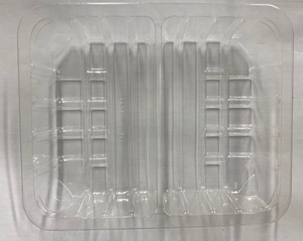 |  |  | 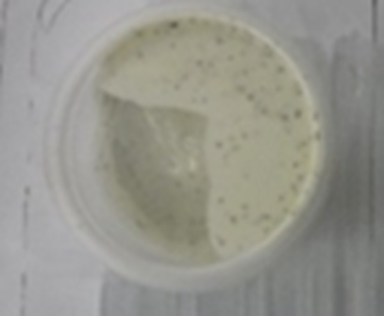 |  |  |  | 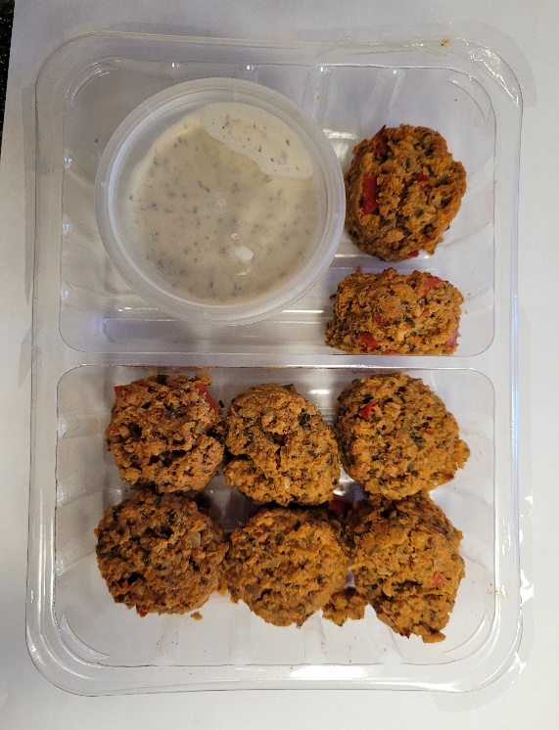

Tray: SK4 - Split (PKESS001-06) |  |  | Yogurt Mint Raita 30% Fat (RMPIQ001-01): (40g) |  |  |  | 8 x Harissa Lamb Kofta (GFF301R) 15g: (120g)
Film: ME300AFV2, 300mmx 1000m (PKRPO001-16) |  |  | Satco 2oz Pots with Lids (PKJEN001-03) |  |  |  | Total Weight: 160g
ALLERGY ALERT: Soya

